Sheet1
PRE PACK RATIO | 1 | 2 | 3 | 3 | 2 | 1
WHITE | 3 | 4 | 5 | 6 | 7 | 8 | TOTAL
 | 27 | 52 | 76 | 81 | 53 | 26 | 315
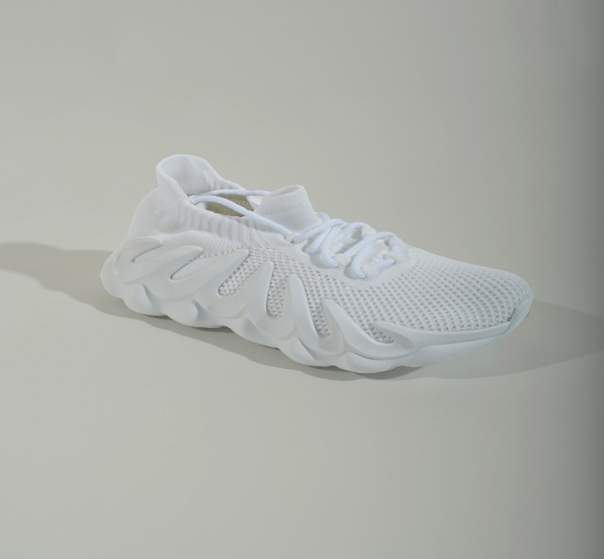

CREAM | 3 | 4 | 5 | 6 | 7 | 8 | TOTAL
 | 48 | 95 | 142 | 143 | 96 | 47 | 571
